GrammarTable
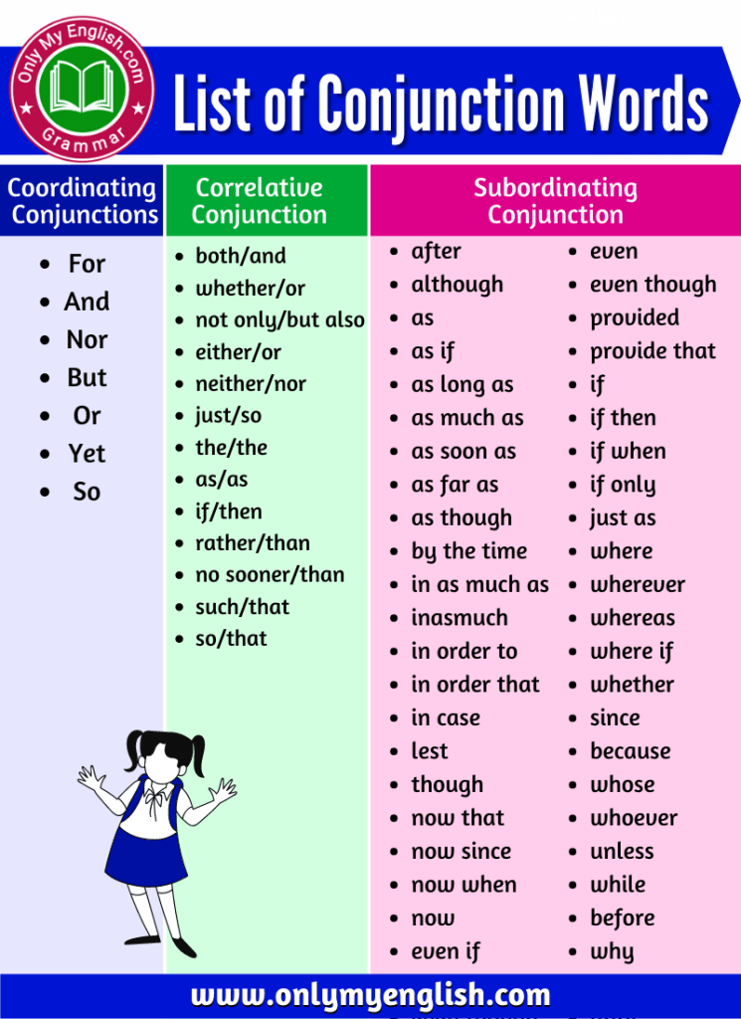
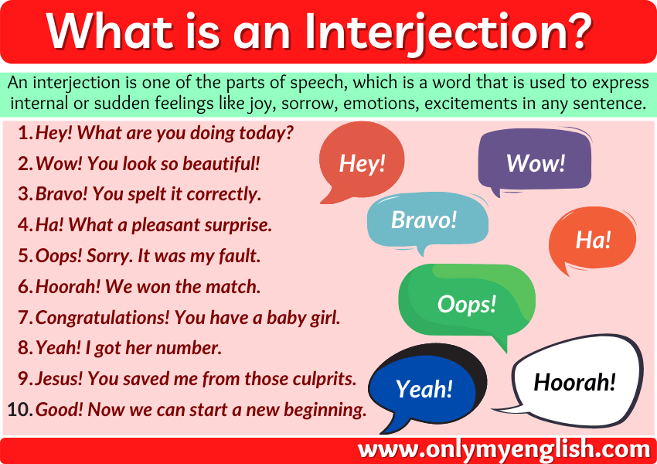
Option 1 |  | Option 2
Grammar_ID | Grammar_Name | Category_ID | Grammar_ID | Grammar_Name
G1 | nouns | C13 | G3 | adjectives
G2 | pronouns | C23 | G3 | adjectives
G3 | adjectives | C24 | G3 | adjectives
G4 | verbs | C25 | G6 | prepositions
G5 | adverbs | C29 | G4 | verbs
G6 | prepositions | C32 | G2 | pronouns
G7 | conjunctions | C74 | G5 | adverbs
G8 | interjections | C76 | G1 | nouns
G9 | tenses | C80 | G4 | verbs
G10 | Sentence Structure | C82 | G6 | prepositions
 |  | C83 | G4 | verbs
 |  | C104 | G1 | nouns
 |  | C113 | G4 | verbs
 |  | C141 | G3 | adjectives
Notes: -Conjunctions and Interjections are not found in the description of the CEFR category. Examples of conjunctions and interjections are shown on the right. -Grammar table could be built as stand-alone table in option 1 or option 2. -Option 1 contains all sub-level grammar and can be included as stand-alone additional feature. -Option 2 can be built based on existing connection with the Category table. However, the connection is not comprehensive and conjunctions and interjections are not currently included in CEFR categories. In this option, Grammar_ID/Name depends on Category_ID. |  | C142 | G1 | nouns
 |  | C145 | G6 | prepositions
 |  | C149 | G4 | verbs
 |  | C189 | G5 | adverbs
 |  | C190 | G4 | verbs
 |  | C192 | G4 | verbs
 |  | C193 | G6 | prepositions
 |  | C278 | G9 | tenses
 |  | C328 | G4 | verbs
 |  | C396 | G9 | tenses
 |  | C448 | G4 | verbs
 |  | C452 | G9 | tenses
 |  | C477 | G1 | nouns
 |  | C422 | G10 | Sentence Structure
 |  | C513 | G10 | Sentence Structure

